Programme Report
The Thekwini Warehousing Conduit (RF) Ltd Investor Report |  |  |  | South Africa

Programme Information

Reporting period |  |  |  |  | Oct-2025
Programme inception date |  |  |  |  | Jun-2005
Programme servicer |  |  |  |  | SA Home Loans (Pty) Ltd
Programme administrator |  |  |  |  | The Standard Bank of South Africa Ltd
Programme standby servicer |  |  |  |  | The Standard Bank of South Africa Ltd
Originator |  |  |  |  | SA Home Loans (Pty) Ltd
Seller(s) |  |  |  |  | Main Street 65 (Pty) Ltd

Programme Contact

Contact Person |  |  |  |  | Jyoti Maharaj
E-mail |  |  |  |  | jyotim@sahomeloans.com
Frequency of report |  |  |  |  | Monthly
Availability of Report |  |  |  |  | 5 business days after month end
Access to Report |  |  |  | https://www.sahomeloans.com/investors

Conduit Overview
The Thekwini Warehousing Conduit is a residential mortgage warehousing programme backed by a portfolio of loans originated by SA Home Loans (Pty) Ltd

Type of Programme |  |  |  |  | Residential Mortgage-Backed ABCP Conduit
Type of underlying assets |  |  |  |  | Residential Mortgages
Type of transaction (single issue vs programme) |  |  |  |  | Programme
Revolving / Static securitisation |  |  |  |  | Revolving

Programme Limit |  |  |  |  | R 6,000,000,000

Aggregate principal balance of notes outstanding |  |  |  |  | R 2,860,000,000
Senior Notes |  |  |  |  | R 2,795,000,000
Mezzanine Notes |  |  |  |  | R 42,000,000
Junior Notes |  |  |  |  | R 23,000,000

Currency of underlying Assets, Notes and Facilities |  |  |  |  | ZAR
Has a Programme Wind Down Event occurred? |  |  |  |  | No

Credit Ratings (Moodys Investors' Service) |  |  |  |  | Credit rating
Senior Notes |  |  |  |  | P-1.za (sf)
Mezzanine Notes |  |  |  |  | P-2.za (sf)
Junior Notes |  |  |  |  | P-3.za (sf)

Liquidity Facilities

Liquidity Facilities |  |  | Senior Notes | Mezzanine Notes | Junior Notes
Liquidity facility limit |  |  | 2,932,000,000 | 44,000,000 | 24,000,000

Purpose of liquidity facility
Available to cover interest payments |  |  | ü | ü | ü
Available to cover principal repayments |  |  | ü | ü | ü
Available to cover senior expenses |  |  | ü | û | û

Amount drawn under liquidity facility |  |  | - | - | -
Amounts available for drawdown under liquidity facility |  |  | 2,932,000,000 | 44,000,000 | 24,000,000

Liquidity facility provider |  |  | The Standard Bank of South Africa Ltd | The Standard Bank of South Africa Ltd | The Standard Bank of South Africa Ltd
Short-term credit rating of provider |  |  | P-1.za | P-1.za | P-1.za

Credit Enhancement

Programme credit enhancement available |  |  |  |  | Yes
Types of Credit Enhancement |  |  |  |  | Overcollateralisation (Subordinated Loan & Note subordination) and NPL Facility
Latest Credit Enhancement Determination Date |  |  |  |  | 2025-10-16

 |  |  | Senior Notes | Mezzanine Notes | Junior Notes
Credit enhancement principal amount outstanding at latest Credit Enhancement Determintion Date
The aggregate Principal Balances of the Home Loan Pool |  |  | 2,920,404,171 | 2,920,404,171 | 2,920,404,171
add: Principal Reserve |  |  | 19,595,829 | 19,595,829 | 19,595,829
less: Principal amounts outstanding under current (and senior ranking) notes |  |  | 2,795,000,000 | 2,837,000,000 | 2,860,000,000
less: Principal amounts outstanding under current (and senior ranking) liquidity facilities |  |  | - | - | -
Equals: Credit enhancement principal amount outstanding |  |  | 145,000,000 | 103,000,000 | 80,000,000

Credit enhancement required amount at latest Credit enhancement Determination Date
Home Loan Funding Base (A) |  |  | 2,940,000,000 | 2,940,000,000 | 2,940,000,000
Portfolio Roll Rate |  |  | 10.3% | 8.5% | 6.7%
Home Loan Credit Enhancement % (B) |  |  | 4.9% | 3.5% | 2.7%
Credit enhancement required amount (A * B) |  |  | 144,060,000 | 102,900,000 | 79,380,000

Credit enhancement required amount met? |  |  | Yes | Yes | Yes

Primary Credit Enhancement

Available to each note holder |  |  |  |  | Yes - Programme wide
Provider |  |  |  |  | SAHL Investment Holdings (Pty) Ltd
Rating of Provider |  |  |  |  | Not rated
Form of credit enhancement |  |  |  |  | Subordination / Overcollateralisation

Primary Credit Enhancement (subordinated loan & trapped excess spread) |  |  |  |  | R 80,000,000
less:Primary Credit Enhancement utilised to absorb losses to date |  |  |  |  | R 0
Primary Credit Enhancement available |  |  |  |  | R 80,000,000

Non-Performing Loan Facility ("NPL Facility")

Available to each note holder |  |  |  |  | Yes - Programme wide
Provider |  |  |  |  | The Standard Bank of South Africa Ltd
Rating of Provider |  |  |  |  | P-1.za
Form of credit enhancement |  |  |  |  | Non-Performing Loan Facility

Credit enhancement committed |  |  |  |  | R 280,000,000
less: NPLs sold to NPL Facility Provider |  |  |  |  | R 0
Credit enhancement available |  |  |  |  | R 280,000,000

Hedge Counterparty

Hedge Counterparty |  |  |  |  | The Standard Bank of South Africa Ltd
Rating of Provider |  |  |  |  | P-1.za by Moody's Investors Services
Type provided |  |  |  |  | Interest rate swap
Current value of swap (nominal exposure to SPV) |  |  |  |  | R 2,860,000,000

Transaction Information

Note Breakdown & Maturity Analysis

The Thekwini Warehousing Programme consists of a portfolio of residential mortgages loans, with each mortgage loan benefiting from the credit enhancement and liquidity facilties provided to the programme i.e. all liquidity facilities and credit enhancement facilties are programme-wide.

Summary of Notes per Class | Shortest Maturity date | Longest Maturity date | Target Note rating (local scale) | Current credit rating (local scale) | Principal balance outstanding
Senior | 2025-11-06 | 2026-01-22 | P-1.za (sf) | P-1.za (sf) | R 2,795,000,000
Mezzanine | 2025-11-10 | 2025-11-10 | P-2.za (sf) | P-2.za (sf) | R 42,000,000
Junior | 2025-11-10 | 2025-11-10 | P-3.za (sf) | P-3.za (sf) | R 23,000,000
Total |  |  |  |  | 2,860,000,000

Summary of Notes per Class | Weighted average remaining tenor (in days) | Weighted average original tenor (in days) | Maximum tenor allowed (days) | Largest note outstanding | Largest Note outstanding maturity date
Senior | 33 | 91 | 180 | 532,000,000 | 2025-11-21
Mezzanine | 10 | 91 | 180 | 42,000,000 | 2025-11-10
Junior | 10 | 91 | 180 | 23,000,000 | 2025-11-10

Summary of Notes per Class |  | Short Term Non-Extendible | Long term Callable
Senior | P-1 | R - | R -
Total |  | R - | R -

In terms of sections 6.39-6.41 of the Debt and Specialist Securities listing requirements, there were no repurcases of debt securities in the period under review
...
Aggregate balance of Loans (Borrowers)
Loyalty Benefit in respect of SuperLo Loans |  | R -
Caps Accruals |  | R -
Cap Prepayment |  | R -
HedgCo payment |  | R -
Bad Debts |  | R -
Recoverable Bad Debts |  | R -
End of reporting period |  | R 2,603,274,359

Asset Maturity Analysis
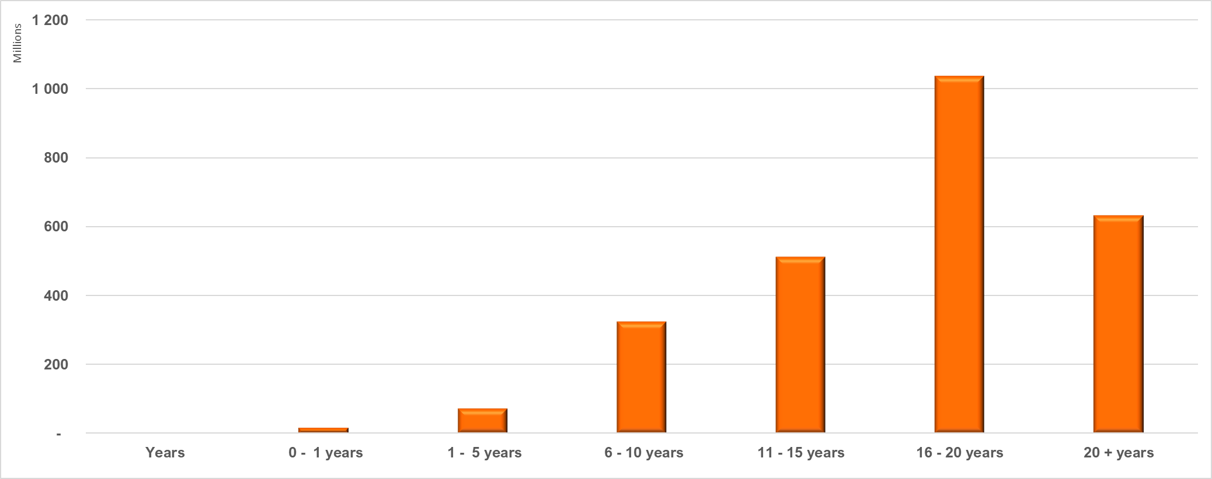

Arrears Statistics and Credit Enhancement Calculation

Portfolio arrears composition as at the most recent credit enhancement determination date - 16 October 2025
Arrears status | Number of Loans | No. of Loans as % of Total Assets at end of reporting period | Principal Balance of Loans | Principal Balance as % of Total Balance of Assets at end of reporting period
...

